Sheet1
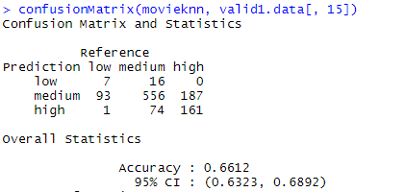
KNN Model
For All predictors |  |  | Accuracy
on valid data | Default | K=3 | 60.82%
 | Best | K=10 | 66.12%

For Predictors that are available for movie before releasing
 |  |  | Accuracy
 | Default | K=3 | 60.00%
 | Best | k=20 | 67%

Logit Model
For All predictors |  |  | Accuracy
 | Default |  | 69.00%

step = both and glmulti | Best |  | 69%

For Predictors that are available for movie before releasing
 |  |  | 68.58
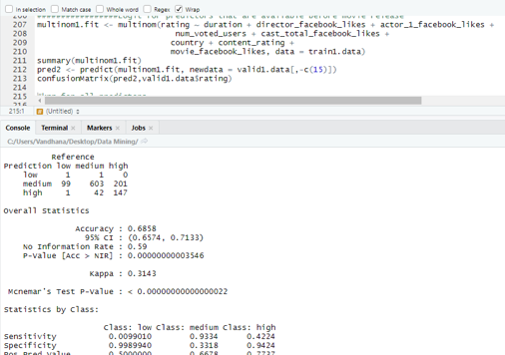

Comparision Across Models for classification

on test Data

KNN | 68.63%
Logit | 70.27%

